Sheet a
Frost and Frost, 2008, Fig. 1.
Frost, B.R. and Frost, C.D., 2008, A geochemical classification for feldspathic igneous rocks. Journal of Petrology, v. 49, p. 1955-1969.
Fe-index: Discriminates between ferroan and magnesian rocks (nominally tholeiitic vs. calc-alkaline, or no early magnetite vs. early magnetite crystallization).

X1 | Y1 | Y2 | Y3 | Y4
SiO2 % | FeOtotal/(MgO + FeOtotal) wt. % | MgO/(MgO + FeOtotal) wt. % | Mg/(Mg+Fe) molar | Mg/Fe molar
48 | 0.70 | 0.300 | 0.433 | 0.76
50 | 0.71 | 0.290 | 0.421 | 0.73
52 | 0.72 | 0.280 | 0.409 | 0.69
54 | 0.73 | 0.270 | 0.397 | 0.66
56 | 0.74 | 0.260 | 0.385 | 0.63
58 | 0.75 | 0.250 | 0.373 | 0.59
60 | 0.76 | 0.240 | 0.360 | 0.56
62 | 0.77 | 0.230 | 0.347 | 0.53
64 | 0.78 | 0.220 | 0.335 | 0.50
66 | 0.79 | 0.210 | 0.322 | 0.47
68 | 0.80 | 0.200 | 0.308 | 0.45
70 | 0.81 | 0.190 | 0.295 | 0.42
72 | 0.82 | 0.180 | 0.281 | 0.39
74 | 0.83 | 0.170 | 0.267 | 0.37
75 | 0.84 | 0.165 | 0.260 | 0.35

Equation:
Y1 = 0.005*SiO2 + 0.46

Sheet b
Frost and Frost, 2008, Fig. 2.
Frost, B.R. and Frost, C.D., 2008, A geochemical classification for feldspathic igneous rocks. Journal of Petrology, v. 49, p. 1955-1969.
Modified alkali-lime index: Discriminates between four gradations of calcic to alkaline rocks.

X1 | Y1 | X2 | Y2 | X3 | Y3
SiO2 % | Na2O+K2O-CaO% | SiO2 % | Na2O+K2O-CaO% | SiO2 % | Na2O+K2O-CaO%
50.00 | -0.56 | 50.00 | -3.19 | 50.00 | -5.82
55.00 | 2.00 | 55.00 | -0.49 | 55.00 | -3.04
60.00 | 4.27 | 60.00 | 1.95 | 60.00 | -0.47
65.00 | 6.25 | 65.00 | 4.12 | 65.00 | 1.88
70.00 | 7.95 | 70.00 | 6.04 | 70.00 | 4.02
75.00 | 9.37 | 75.00 | 7.69 | 75.00 | 5.94

Equations
Y1 = -41.86 + 1.112*SiO2 - 0.00572*SiO22
Y2 = -44.72 + 1.094*SiO2 - 0.00527*SiO22
Y1 = -45.36 + 1.0043*SiO2 - 0.00427*SiO22

Sheet c
Frost and Frost, 2008, Fig. 6c and text.
Frost, B.R. and Frost, C.D., 2008, A geochemical classification for feldspathic igneous rocks. Journal of Petrology, v. 49, p. 1955-1969.
Aluminum saturation index: Discriminates between peraluminous and metaluminous rocks (X1-Y1), and between metaluminous and peralkaline rocks (X2-Y2).
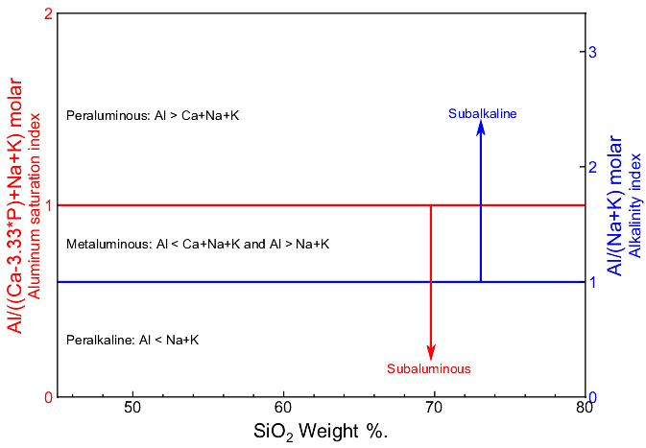
X1 | Y1 | X2 | Y2
SiO2 % | Al/((Ca-3.33*P)+Na+K) molar | SiO2 % | Al/(Na+K) molar
45 | 1.00 | 45 | 1.00
80 | 1.00 | 80 | 1.00

Note: These are really two discriminant graphs with different Y axes . This is mostly because each rock has a different Ca content relative to Al and Na+K. Both, however, are related to the allocation of Al into different phases, so I put both on one diagram.
Also, the alkalinity index shown here is expressed differently from that in Sheet d, though the same terminalogy is used in the paper.

The aluminum saturation index (ASI) is shown exactly as expressed in the paper, but it is a bit confusing because Al, Ca, etc. are expressed as molar oxides, rather than molar elements. This is how you calculate the aluminum saturation index.
Al = Al₂O₃ / 101.9613.
Ca = CaO / 56.0774.
Na = Na₂O / 61.9789.
K = K₂O / 94.196.
P = P₂O₅ / 141.9445.
Aluminum saturation index = Al/((Ca-3.33*P)+Na+K), with Al, Ca, P, Na, and K calculated as immediately above (note, I think the 3.33 is correct, not 1.67). To test, the ASI and AI of all the feldspars are 1, and apatite should be zero, as shown below.

 | Albite | Orthoclase | Anorthite | Apatite | Oxide weights
SiO2 | 68.74 | 64.76 | 43.19 | 0.00 | 60.084
Al2O3 | 19.44 | 18.32 | 36.65 | 0.00 | 101.961
CaO | 0.00 | 0.00 | 20.16 | 56.84 | 56.077
Na2O | 11.82 | 0.00 | 0.00 | 0.00 | 61.979
K2O | 0.00 | 16.92 | 0.00 | 0.00 | 94.196
P2O5 | 0.00 | 0.00 | 0.00 | 43.16 | 141.945
Total | 100.00 | 100.00 | 100.00 | 100.00 | -

Molar proportions, calculated as indicated above
SiO2 | 1.144 | 1.078 | 0.719 | 0.000
Al2O3 | 0.191 | 0.180 | 0.359 | 0.000
CaO | 0.000 | 0.000 | 0.359 | 1.014
Na2O | 0.191 | 0.000 | 0.000 | 0.000
K2O | 0.000 | 0.180 | 0.000 | 0.000
P2O5 | 0.000 | 0.000 | 0.000 | 0.304
Sum | 1.525 | 1.437 | 1.438 | 1.318

ASI | 1.000 | 1.000 | 1.000 | 0.000
AI | 1.000 | 1.000 | - | -

Sheet d
Frost and Frost, 2008, Fig. 8.
Frost, B.R. and Frost, C.D., 2008, A geochemical classification for feldspathic igneous rocks. Journal of Petrology, v. 49, p. 1955-1969.
Discriminates between different types of alkaline rocks.

X1 | Y1
Al-(Na+K) molar | (Q-(Lc+2*(Ne+Ks))/100 normative
10 | 0
-10.00 | 0.00
0.00 | 0.00
0.00 | 10.00
0.00 | -10.00

Feldspathoid-bearing
Metaluminous and peraluminous
Quartz-bearing
Note: Q, Lc, Ne, and Ks are normative quartz, leucite, nepheline, and kalsilite, respectively.
Also, the alkalinity index shown here is different from that in Sheet c, though the same terminalogy is used in the paper.

Peralkaline

