Sheet a
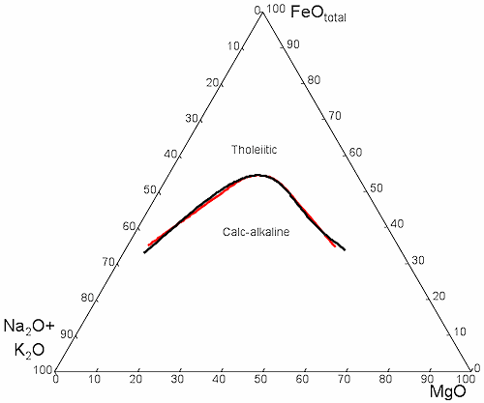
Irvine and Barragar, 1971, Figure 2
Irvine, T.N., and Baragar, W.R.A., 1971, A guide to the chemical classification of the common volcanic rocks: Canadian Journal of Earth Sciences, v. 8, p. 523-548.
Calc-alkaline vs. tholeiitic rock series

FeOtotal% | MgO% | Na2O+K2O%
35.0 | 5.0 | 60.0
37.9 | 7.1 | 55.0
40.8 | 9.2 | 50.0
43.8 | 11.2 | 45.0
46.7 | 13.3 | 40.0
49.6 | 15.4 | 35.0
52.5 | 17.5 | 30.0
54.1 | 19.5 | 26.4
54.5 | 22.5 | 23.0
53.5 | 26.0 | 20.5
51.0 | 29.9 | 19.1
46.9 | 35.0 | 18.1
42.8 | 40.1 | 17.1
38.6 | 45.2 | 16.2
34.5 | 50.3 | 15.2
NOTE: the red line looks more like the discriminant line in Figure 2 in the paper, from which it was taken.

FeOtotal% | MgO% | Na2O+K2O%
32.9 | 5.0 | 62.1
38.6 | 8.0 | 53.4
NOTE: The wiggly black line is from a high order polynomial equation given in the appendix of the original paper. It does not look so much like the curves shown in Figure 2 of the paper. Use whichever curve you like, however.
44.5 | 11.0 | 44.5
49.4 | 14.0 | 36.6
52.7 | 17.0 | 30.3
54.3 | 20.0 | 25.7
54.4 | 23.0 | 22.6
53.4 | 26.0 | 20.6
51.6 | 29.0 | 19.4
49.2 | 32.0 | 18.8
46.7 | 35.0 | 18.3
44.1 | 38.0 | 17.9
41.8 | 41.0 | 17.2
39.5 | 44.0 | 16.5
37.5 | 47.0 | 15.5
35.6 | 50.0 | 14.4
33.7 | 53.0 | 13.3
31.7 | 56.0 | 12.3

Sheet b
Irvine and Barragar, 1971, Figure 3
Irvine, T.N., and Baragar, W.R.A., 1971, A guide to the chemical classification of the common volcanic rocks: Canadian Journal of Earth Sciences, v. 8, p. 523-548.
Alkaline vs. subalkaline rock series

SiO2% | Na2O+K2O%
39.0 | 0.0
40.0 | 0.5
45.0 | 2.7
50.0 | 4.7
55.0 | 6.4
60.0 | 8.0
65.0 | 9.6
67.0 | 10.2
NOTE: this line looks like the curve shown in Figure 3 in the paper. The high order polynomial equation given in the appendix of the paper is apparently wrong.

Sheet c
Irvine and Barragar, 1971, Figure 6
Irvine, T.N., and Baragar, W.R.A., 1971, A guide to the chemical classification of the common volcanic rocks: Canadian Journal of Earth Sciences, v. 8, p. 523-548.
Calc-alkaline vs. tholeiitic rock series

Normative An% | Al2O3 %
30.0 | 14.4
40.0 | 15.2
50.0 | 16.0
60.0 | 16.8
70.0 | 17.6
80.0 | 18.4
90.0 | 19.2
100.0 | 20.0
NOTE: The discriminant range is written as 40-100 normative An% in the original paper, but Figure 6 shows the line drawn to values as low as 30 An%.
Here the X-axis is reversed compared to the original manuscript.

