Sheet a
Pearce and Cann, 1973
Pearce, J.A., and Cann, J.R., 1973, Tectonic setting of basic volcanic rocks determined using trace element analyses: Earth and Planetary Science Letters, v. 19, p. 290-300.
Arc, within-plate, and ocean floor basalts
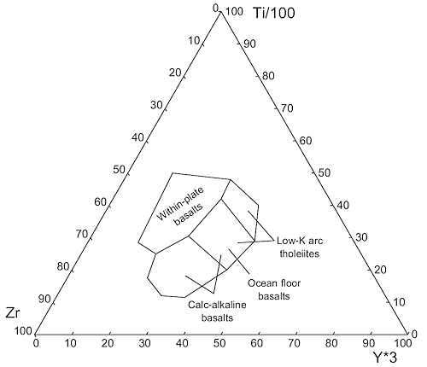
Zr ppm | Ti/100 ppm | Y*3 ppm
23.5 | 48.0 | 28.5
20.0 | 40.0 | 40.0
26.5 | 29.0 | 44.5
38.5 | 20.0 | 41.5
54.0 | 11.5 | 34.5
60.0 | 12.0 | 28.0
61.0 | 17.5 | 21.5
55.0 | 25.0 | 20.0
58.0 | 28.5 | 13.5
38.0 | 50.0 | 12.0
23.5 | 48.0 | 28.5
29.0 | 42.0 | 29.0
43.5 | 30.5 | 26.0
55.0 | 25.0 | 20.0
43.5 | 30.5 | 26.0
38.5 | 20.0 | 41.5
26.5 | 29.0 | 44.5
29.0 | 42.0 | 29.0

Sheet b
Pearce and Cann, 1973
Pearce, J.A., and Cann, J.R., 1973, Tectonic setting of basic volcanic rocks determined using trace element analyses: Earth and Planetary Science Letters, v. 19, p. 290-300.
Arc and ocean floor basalts
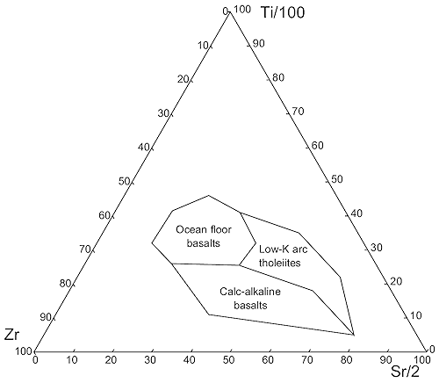
Zr ppm | Ti/100 ppm | Sr/2 ppm
16.0 | 5.0 | 79.0
50.0 | 11.0 | 39.0
52.0 | 26.0 | 22.0
54.0 | 32.0 | 14.0
44.0 | 41.5 | 14.5
32.5 | 46.0 | 21.5
27.0 | 41.0 | 32.0
15.0 | 35.0 | 50.0
11.0 | 22.0 | 67.0
16.0 | 5.0 | 79.0
20.0 | 18.0 | 62.0
35.0 | 25.5 | 39.5
52.0 | 26.0 | 22.0
35.0 | 25.5 | 39.5
27.5 | 32.0 | 40.5
27.0 | 41.0 | 32.0

Sheet c
Pearce and Cann, 1973
Pearce, J.A., and Cann, J.R., 1973, Tectonic setting of basic volcanic rocks determined using trace element analyses: Earth and Planetary Science Letters, v. 19, p. 290-300.
Arc and ocean floor basalts

Zr ppm | Ti ppm
50.7 | 8440
17.3 | 4594
12.9 | 1816
66.2 | 2350
112.2 | 2457
189.9 | 3419
192.0 | 6410
133.8 | 7051
166.1 | 10833
130.5 | 13248
84.1 | 10150
44.2 | 6197
30.9 | 4060
39.9 | 2991
66.2 | 5256
66.2 | 2350
66.2 | 5256
77.2 | 6197
50.7 | 8440
77.2 | 6197
89.5 | 7265
112.2 | 7265
133.8 | 7051

