Simple
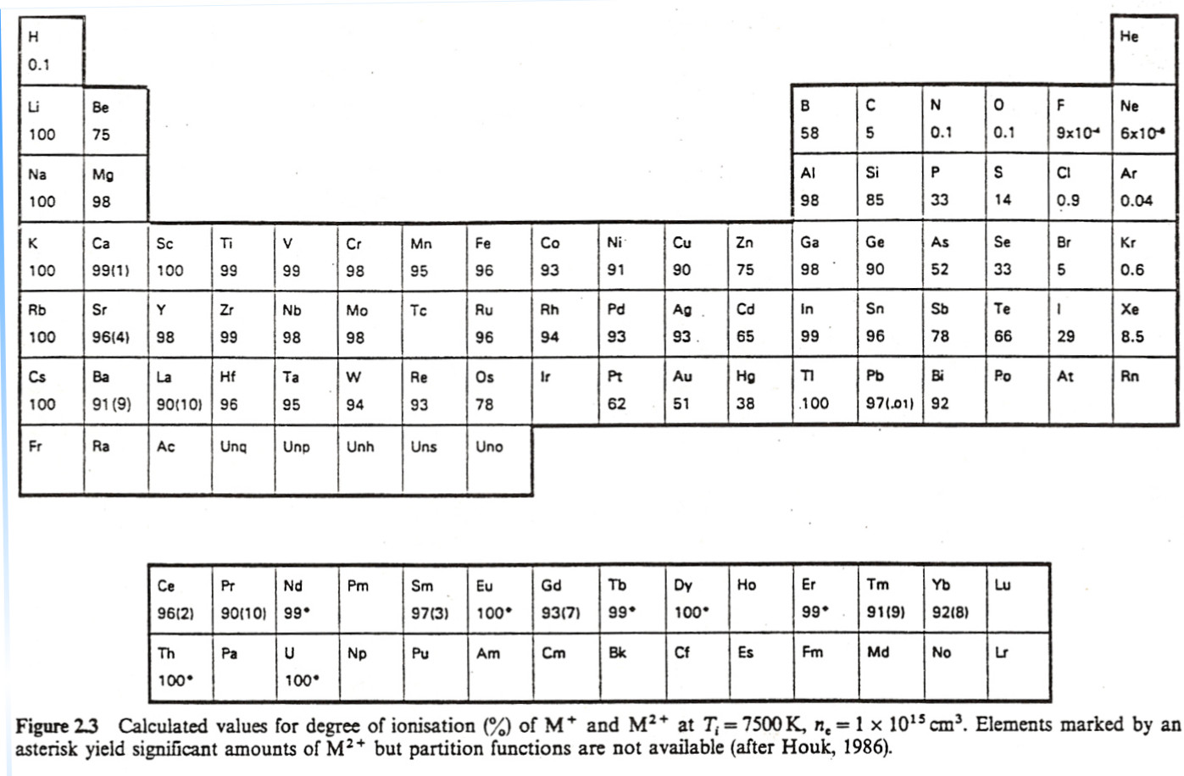
Element | Atomic number |  | First ionization potential | ICP-MS ionization efficiency, %
 |  |  |  | From figure to right | From model equation
H | 1 | 1 | 13.598 | 0.1 | 0.7
He | 2 | 2 | 24.587 | 0 | 0
Li | 3 | 3 | 5.392 | 100 | 100
Be | 4 | 4 | 9.322 | 75 | 60
B | 5 | 5 | 8.298 | 58 | 84
C | 6 | 6 | 11.26 | 5 | 12
N | 7 | 7 | 14.534 | 0.1 | 0.2
O | 8 | 8 | 13.618 | 0.1 | 0.7
F | 9 | 9 | 17.422 | 0.0009 | 0.006
Ne | 10 | 10 | 21.564 | 0.0006 | 0.00004
Na | 11 | 11 | 5.139 | 100 | 100
Mg | 12 | 12 | 7.646 | 98 | 92
Al | 13 | 13 | 5.986 | 98 | 99
Si | 14 | 14 | 8.151 | 85 | 87
P | 15 | 15 | 10.486 | 33 | 26
S | 16 | 16 | 10.36 | 14 | 29
Cl | 17 | 17 | 12.967 | 0.9 | 2
Ar | 18 | 18 | 15.759 | 0.04 | 0.05
K | 19 | 19 | 4.341 | 100 | 100
Ca | 20 | 20 | 6.113 | 99 | 99
Sc | 21 | 21 | 6.54 | 100 | 98
Ti | 22 | 22 | 6.82 | 99 | 97
V | 23 | 23 | 6.74 | 99 | 97
Cr | 24 | 24 | 6.766 | 98 | 97
Mn | 25 | 25 | 7.435 | 95 | 94
Fe | 26 | 26 | 7.87 | 96 | 90
Co | 27 | 27 | 7.86 | 93 | 90
Ni | 28 | 28 | 7.635 | 91 | 93
Cu | 29 | 29 | 7.726 | 90 | 92
Zn | 30 | 30 | 9.394 | 75 | 58
Ga | 31 | 31 | 5.999 | 98 | 99
Ge | 32 | 32 | 7.899 | 90 | 90
As | 33 | 33 | 9.81 | 52 | 45
Se | 34 | 34 | 9.752 | 33 | 47
Br | 35 | 35 | 11.814 | 5 | 6
Kr | 36 | 36 | 13.999 | 0.6 | 0.4
Rb | 37 | 37 | 4.177 | 100 | 100
Sr | 38 | 38 | 5.695 | 96 | 99
Y | 39 | 39 | 6.38 | 98 | 98
Zr | 40 | 40 | 6.84 | 99 | 97
Nb | 41 | 41 | 6.88 | 98 | 97
Mo | 42 | 42 | 7.099 | 98 | 96
Ru | 44 | 44 | 7.37 | 96 | 95
Rh | 45 | 45 | 7.46 | 94 | 94
Pd | 46 | 46 | 8.34 | 93 | 84
Ag | 47 | 47 | 7.576 | 93 | 93
Cd | 48 | 48 | 8.993 | 65 | 70
In | 49 | 49 | 5.786 | 99 | 99
Sn | 50 | 50 | 7.344 | 96 | 95
Sb | 51 | 51 | 8.641 | 78 | 78
Te | 52 | 52 | 9.009 | 66 | 69
I | 53 | 53 | 10.451 | 29 | 27
Xe | 54 | 54 | 12.13 | 8.5 | 4
Cs | 55 | 55 | 3.894 | 100 | 100
Ba | 56 | 56 | 5.2117 | 91 | 100
La | 57 | 57 | 5.5769 | 90 | 99
Ce | 58 | 58 | 5.54 | 96 | 99
Pr | 59 | 59 | 5 | 90 | 99
Nd | 60 | 60 | 5.53 | 99 | 99
Sm | 62 | 62 | 5.64 | 97 | 99
Eu | 63 | 63 | 5.67 | 100 | 99
Gd | 64 | 64 | 6.15 | 93 | 99
Tb | 65 | 65 | 5.86 | 99 | 99
Dy | 66 | 66 | 5.94 | 100 | 99
Ho | 67 | 67 | 6.0215 | - | 99
Er | 68 | 68 | 6.101 | 99 | 99
Tm | 69 | 69 | 6.184 | 91 | 99
Yb | 70 | 70 | 6.254 | 92 | 99
Lu | 71 | 71 | 5.4259 | - | 99
Hf | 72 | 72 | 6.65 | 96 | 98
Ta | 73 | 73 | 7.89 | 95 | 90
W | 74 | 74 | 7.98 | 94 | 89
Re | 75 | 75 | 7.88 | 93 | 90
Os | 76 | 76 | 8.7 | 78 | 77
Ir | 77 | 77 | 8.967 | - | 70
Pt | 78 | 78 | 9 | 62 | 69
Au | 79 | 79 | 9.225 | 51 | 63
Hg | 80 | 80 | 10.437 | 38 | 27
Tl | 81 | 81 | 6.108 | 100 | 99
Pb | 82 | 82 | 7.416 | 97 | 94
Bi | 83 | 83 | 7.289 | 92 | 95
Th | 90 | 90 | 6.3067 | 100 | 98
U | 92 | 92 | 6.1941 | 100 | 99

Complicated
Element | Atomic number | First ionization potential | From figure to right | Element | Atomic number | First ionization potential | From figure to right | From model equation | Used to fit the model |  | Don't touch
 |  |  | ICP-MS ionization efficiency, % |  |  |  | ICP-MS ionization efficiency, % | Model ionization efficiency, % | Squares of the residuals |  | Optimized variables
H | 1 | 13.598 | 0.1 | Cs | 55 | 3.894 | 100 | 99.9 | 0 |  | 9.654569155 | Sigmoid midpoint
He | 2 | 24.587 | 0 | Rb | 37 | 4.177 | 100 | 99.9 | 0 |  | -1.2462044415 | Steepness factor
Li | 3 | 5.392 | 100 | K | 19 | 4.341 | 100 | 99.9 | 0 | Test curve
Be | 4 | 9.322 | 75 | Na | 11 | 5.139 | 100 | 99.6 | 0 | First ionization potential | Model ionization efficiency, %
 | Values from periodic table |  | Model best fit curve
13.598 | 0.1 | 0 | 99.9994
24.587 | 0 | 1 | 99.9979
5.392 | 100 | 2 | 99.9928
9.322 | 75 | 3 | 99.9750
8.298 | 58 | 4 | 99.9131
11.26 | 5 | 5 | 99.6983
14.534 | 0.1 | 6 | 98.9588
13.618 | 0.1 | 7 | 96.4707
17.422 | 0.0009 | 8 | 88.7148
21.564 | 0.0006 | 9 | 69.3329
5.139 | 100 | 10 | 39.4012
7.646 | 98 | 11 | 15.7535
5.986 | 98 | 12 | 5.1034
8.151 | 85 | 13 | 1.5231
10.486 | 33 | 14 | 0.4428
10.36 | 14 | 15 | 0.1278
12.967 | 0.9 | 16 | 0.0368
15.759 | 0.04 | 17 | 0.0106
4.341 | 100 | 18 | 0.0030
6.113 | 99 | 19 | 0.0009
6.54 | 100 | 20 | 0.0003
6.82 | 99 | 21 | 0.0001
6.74 | 99 | 22 | 0.0000
6.766 | 98 | 23 | 0.0000
7.435 | 95 | 24 | 0.0000
7.87 | 96 | 25 | 0.0000
7.86 | 93
7.635 | 91
7.726 | 90
9.394 | 75
5.999 | 98
7.899 | 90
9.81 | 52
9.752 | 33
11.814 | 5
13.999 | 0.6
4.177 | 100
5.695 | 96
6.38 | 98
6.84 | 99
6.88 | 98
7.099 | 98
7.28
7.37 | 96
7.46 | 94
8.34 | 93
7.576 | 93
8.993 | 65
5.786 | 99
7.344 | 96
...
B | 5 | 8.298 | 58 | Li | 3 | 5.392 | 100 | 99.5 | 0 | 0 | 99.9994
C | 6 | 11.26 | 5 | Nd | 60 | 5.53 | 99 | 99.4 | 0 | 1 | 99.9979
N | 7 | 14.534 | 0.1 | Ce | 58 | 5.54 | 96 | 99.4 | 12 | 2 | 99.9928
O | 8 | 13.618 | 0.1 | Sm | 62 | 5.64 | 97 | 99.3 | 5 | 3 | 99.9750
F | 9 | 17.422 | 9.00E-04 | Eu | 63 | 5.67 | 100 | 99.3 | 0 | 4 | 99.9131
Ne | 10 | 21.564 | 6.00E-04 | Sr | 38 | 5.695 | 96 | 99.3 | 11 | 5 | 99.6983
Na | 11 | 5.139 | 100 | In | 49 | 5.786 | 99 | 99.2 | 0 | 6 | 98.9588
Mg | 12 | 7.646 | 98 | Tb | 65 | 5.86 | 99 | 99.1 | 0 | 7 | 96.4707
Al | 13 | 5.986 | 98 | Dy | 66 | 5.94 | 100 | 99.0 | 1 | 8 | 88.7148
Si | 14 | 8.151 | 85 | Al | 13 | 5.986 | 98 | 99.0 | 1 | 9 | 69.3329
P | 15 | 10.486 | 33 | Ga | 31 | 5.999 | 98 | 99.0 | 1 | 10 | 39.4012
S | 16 | 10.36 | 14 | U | 92 | 6.05 | 100 | 98.9 | 1 | 11 | 15.7535
Cl | 17 | 12.967 | 0.9 | Th | 90 | 6.08 | 100 | 98.9 | 1 | 12 | 5.1034
Ar | 18 | 15.759 | 0.04 | Er | 68 | 6.101 | 99 | 98.8 | 0 | 13 | 1.5231
K | 19 | 4.341 | 100 | Tl | 81 | 6.108 | 100 | 98.8 | 1 | 14 | 0.4428
Ca | 20 | 6.113 | 99 | Ca | 20 | 6.113 | 99 | 98.8 | 0 | 15 | 0.1278
Sc | 21 | 6.54 | 100 | Gd | 64 | 6.15 | 93 | 98.7 | 33 | 16 | 0.0368
Ti | 22 | 6.82 | 99 | Tm | 69 | 6.184 | 91 | 98.7 | 59 | 17 | 0.0106
V | 23 | 6.74 | 99 | Yb | 70 | 6.254 | 92 | 98.6 | 43 | 18 | 0.0030
Cr | 24 | 6.766 | 98 | Y | 39 | 6.38 | 98 | 98.3 | 0 | 19 | 0.0009
Mn | 25 | 7.435 | 95 | Sc | 21 | 6.54 | 100 | 98.0 | 4 | 20 | 0.0003
Fe | 26 | 7.87 | 96 | Hf | 72 | 6.65 | 96 | 97.7 | 3 | 21 | 0.0001
Co | 27 | 7.86 | 93 | V | 23 | 6.74 | 99 | 97.4 | 2 | 22 | 0.0000
Ni | 28 | 7.635 | 91 | Cr | 24 | 6.766 | 98 | 97.3 | 0 | 23 | 0.0000
Cu | 29 | 7.726 | 90 | Ti | 22 | 6.82 | 99 | 97.2 | 3 | 24 | 0.0000
Zn | 30 | 9.394 | 75 | Zr | 40 | 6.84 | 99 | 97.1 | 4 | 25 | 0.0000
Ga | 31 | 5.999 | 98 | Nb | 41 | 6.88 | 98 | 96.9 | 1
Ge | 32 | 7.899 | 90 | Mo | 42 | 7.099 | 98 | 96.0 | 4
As | 33 | 9.81 | 52 | Bi | 83 | 7.289 | 92 | 95.0 | 9
Se | 34 | 9.752 | 33 | Sn | 50 | 7.344 | 96 | 94.7 | 2
Br | 35 | 11.814 | 5 | Ru | 44 | 7.37 | 96 | 94.5 | 2
Kr | 36 | 13.999 | 0.6 | Pb | 82 | 7.416 | 97 | 94.2 | 8
Rb | 37 | 4.177 | 100 | Mn | 25 | 7.435 | 95 | 94.1 | 1
Sr | 38 | 5.695 | 96 | Rh | 45 | 7.46 | 94 | 93.9 | 0
Y | 39 | 6.38 | 98 | Ag | 47 | 7.576 | 93 | 93.0 | 0
Zr | 40 | 6.84 | 99 | Ni | 28 | 7.635 | 91 | 92.5 | 2
Nb | 41 | 6.88 | 98 | Mg | 12 | 7.646 | 98 | 92.4 | 31
Mo | 42 | 7.099 | 98 | Cu | 29 | 7.726 | 90 | 91.7 | 3
Tc | 43 | 7.28 |  | Co | 27 | 7.86 | 93 | 90.3 | 7
Ru | 44 | 7.37 | 96 | Fe | 26 | 7.87 | 96 | 90.2 | 33
Rh | 45 | 7.46 | 94 | Re | 75 | 7.88 | 93 | 90.1 | 8
Pd | 46 | 8.34 | 93 | Ta | 73 | 7.89 | 95 | 90.0 | 25
Ag | 47 | 7.576 | 93 | Ge | 32 | 7.899 | 90 | 89.9 | 0
Cd | 48 | 8.993 | 65 | W | 74 | 7.98 | 94 | 89.0 | 25
In | 49 | 5.786 | 99 | Si | 14 | 8.151 | 85 | 86.7 | 3
Sn | 50 | 7.344 | 96 | B | 5 | 8.298 | 58 | 84.4 | 699
Sb | 51 | 8.641 | 78 | Pd | 46 | 8.34 | 93 | 83.7 | 86
Te | 52 | 9.009 | 66 | Sb | 51 | 8.641 | 78 | 78.0 | 0
I | 53 | 10.451 | 29 | Os | 76 | 8.7 | 78 | 76.7 | 2
Xe | 54 | 12.13 | 8.5 | Cd | 48 | 8.993 | 65 | 69.5 | 20
Cs | 55 | 3.894 | 100 | Pt | 78 | 9 | 62 | 69.3 | 54
Ba | 56 | 5.212 | 91 | Te | 52 | 9.009 | 66 | 69.1 | 10
La | 57 | 5.58 | 90 | Au | 79 | 9.225 | 51 | 63.1 | 146
Ce | 58 | 5.54 | 96 | Be | 4 | 9.322 | 75 | 60.2 | 219
Pr | 59 | 5.46 | 90 | Zn | 30 | 9.394 | 75 | 58.0 | 287
Nd | 60 | 5.53 | 99 | Se | 34 | 9.752 | 33 | 47.0 | 195
Pm | 61 | 5.554 |  | As | 33 | 9.81 | 52 | 45.2 | 47
Sm | 62 | 5.64 | 97 | S | 16 | 10.36 | 14 | 29.3 | 235
Eu | 63 | 5.67 | 100 | Hg | 80 | 10.437 | 38 | 27.4 | 113
Gd | 64 | 6.15 | 93 | I | 53 | 10.451 | 29 | 27.0 | 4
Tb | 65 | 5.86 | 99 | P | 15 | 10.486 | 33 | 26.2 | 46
Dy | 66 | 5.94 | 100 | C | 6 | 11.26 | 5 | 11.9 | 48
Ho | 67 | 6.018 |  | Br | 35 | 11.814 | 5 | 6.4 | 2
Er | 68 | 6.101 | 99 | Xe | 54 | 12.13 | 8.5 | 4.4 | 17
Tm | 69 | 6.184 | 91 | Cl | 17 | 12.967 | 0.9 | 1.6 | 0
Yb | 70 | 6.254 | 92 | H | 1 | 13.598 | 0.1 | 0.7 | 0
Lu | 71 | 5.4259 |  | O | 8 | 13.618 | 0.1 | 0.7 | 0
Hf | 72 | 6.65 | 96 | Kr | 36 | 13.999 | 0.6 | 0.4 | 0
Ta | 73 | 7.89 | 95 | N | 7 | 14.534 | 0.1 | 0.2 | 0
W | 74 | 7.98 | 94 | Ar | 18 | 15.759 | 0.04 | 0.0 | 0
Re | 75 | 7.88 | 93 | F | 9 | 17.422 | 0.0009 | 0.0 | 0
Os | 76 | 8.7 | 78 | Ne | 10 | 21.564 | 0.0006 | 0.0 | 0
Ir | 77 | 9.1 |  | He | 2 | 24.587 | 0 | 0.0 | 0
Pt | 78 | 9 | 62 |  |  |  |  |  | 2582
Au | 79 | 9.225 | 51
Hg | 80 | 10.437 | 38 | Orphaned elements
Tl | 81 | 6.108 | 100 | Ba | 2 | 5.2117 | 0 | 99.6
Pb | 82 | 7.416 | 97 | La | 2 | 5.5769 | 0 | 99.4
Bi | 83 | 7.289 | 92 | Pr | 2 | 5.473 | 0 | 99.5
Po | 84 | 8.42 |  | Ho | 2 | 6.0215 | 0 | 98.9
At | 85 | 9.65 |  | Lu | 2 | 5.4259 | 0 | 99.5
Rn | 86 | 10.748 |  | Ir | 2 | 8.967 | 0 | 70.2
Fr | 87 | 3.83 |  | Th | 2 | 6.3067 | 0 | 98.5
Ra | 88 | 5.279 |  | U | 2 | 6.1941 | 0 | 98.7
Ac | 89 | 5.17
Th | 90 | 6.08 | 100
Pa | 91 | 5.89
U | 92 | 6.05 | 100
Np | 93 | 6.19
Pu | 94 | 6.06

